1Y
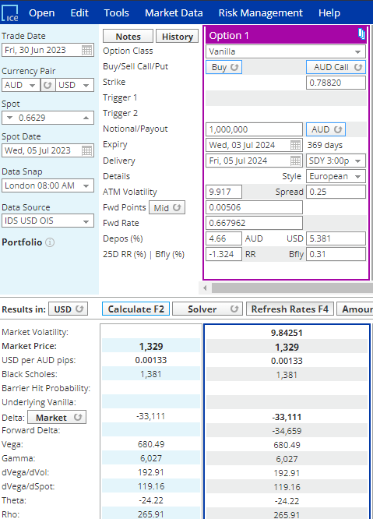
 | 1329
 | 1,095 | 234

 | 0.6629 | 0.669529
 |  |  |  |  | -40,089

 |  |  |  |  | 0.00031128 | 243
 | K (5Δ) | 0.7811 | USD per AUD
 | Notional | 1,000,000 | AUD
 |  | 781,100 | USD |  |  |  | 0.00010139 | 7,920 | 6,186

 | Spot Δ | (33,111) |  |  |  |  | 4.87% | 38,002
 | Fwd Δ | (34,659) |  |  |  |  | 4.84% | 37,843
 |  |  |  |  |  |  |  | 158
 | Spot Δ | 5% |  |  |  |  |  | 79.1996345
 | Recalc Spot Δ | 39,055 |  | 4.855% | 37,923
 | Recalc Fwd Δ | 40,918 |  | 5.087% | 39,732

 | -0.00339543 | -0.001% | (7)

 | 0.00066155 | 517

 |  | 9.36E-06 | 7 |  | 0.0005524 | 431

 |  | -9.36E-06 | (7)
 |  | -0.34% | (7) |  |  | 24,314 | 243
 |  |  |  |  |  | 0.03112759

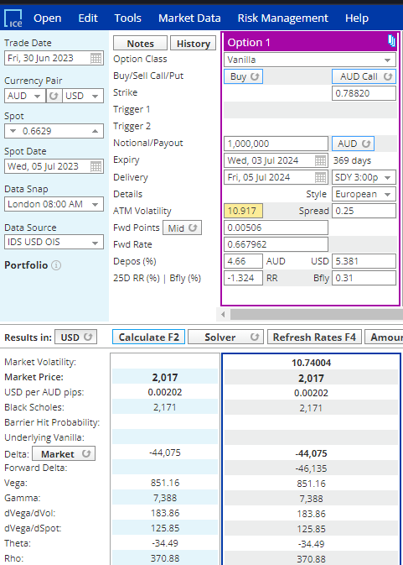

 |  |  |  | 756 | 8
 |  |  |  | 0.07560%
Vega | 1329
Vega_Plus | 2,017

Vega | 688

 | 0.06615484 | 517

 | 0.00075603

 | 0.06615484
 | 0.007105029816

 | 0.06615484
 | 0.0006625
 | 99.856362264

5Y
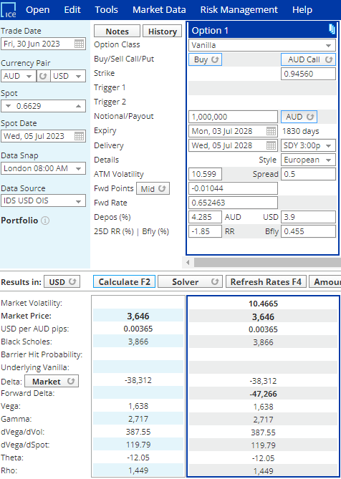

 | 0.9456
 | 1,000,000
 | 945,600

Δ | 5%
Spot Δ | 38,162
Fwd Δ | 47,280

